Sheet1
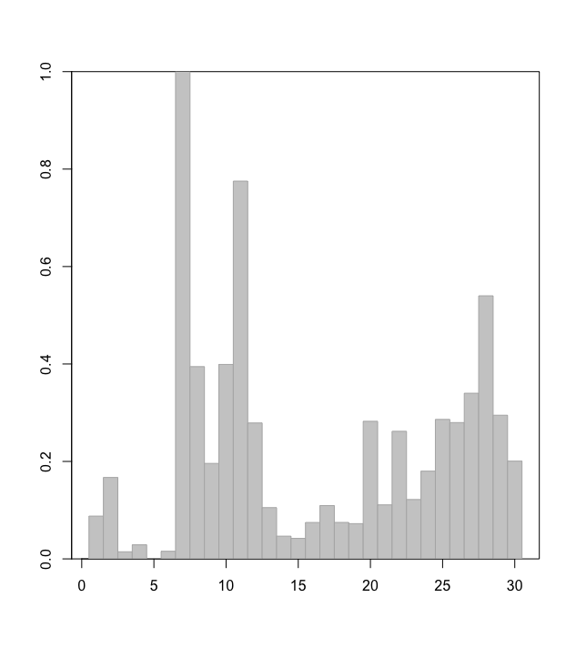
 | Instar
 | Immature |  |  |  |  |  |  | Mature
year | 4 | 5 | 6 | 7 | 8 | 9 | 10 | 9 | 10
1990 | 9.6 | 12.6 | 109.3 | 552.9 | 1310.6 | 3577.4 | 27.9 | 1652.3 | 10425.7
1991 | 4.9 | 4.9 | 144.5 | 477.8 | 270.0 | 660.8 | 30.3 | 115.1 | 2404.3
1992 | 8.9 | 28.2 | 236.4 | 1027.6 | 766.2 | 886.2 | 25.6 | 45.1 | 1543.6
1993 | 16.5 | 233.1 | 882.3 | 1115.8 | 1136.9 | 1174.8 | 74.0 | 11.2 | 375.8
1994 | 45.3 | 642.7 | 2899.2 | 3899.8 | 2092.4 | 2453.0 | 359.7 | 32.8 | 1193.1
1995 | 60.9 | 560.4 | 1493.8 | 4712.3 | 4440.8 | 2825.1 | 215.2 | 0.3 | 19.7
1996 | 16.6 | 54.7 | 1648.1 | 968.7 | 770.4 | 1590.6 | 96.8 | 69.4 | 2062.5
1997 | 41.0 | 77.1 | 1762.8 | 3899.5 | 4081.0 | 5320.6 | 116.4 | 2615.4 | 3370.0
1998 | 30.8 | 59.3 | 524.7 | 3802.3 | 6016.5 | 3135.2 | 466.0 | 1610.3 | 4160.2
1999 | 22.9 | 160.9 | 535.3 | 773.8 | 3739.1 | 5339.2 | 282.7 | 1178.9 | 3343.8
2000 | 14.1 | 36.7 | 230.1 | 804.8 | 860.4 | 4137.3 | 257.3 | 1492.1 | 4857.6
2001 | 7.5 | 23.3 | 241.3 | 537.5 | 624.3 | 1044.6 | 41.1 | 667.0 | 4519.1
2002 | 8.6 | 84.5 | 328.3 | 611.6 | 601.8 | 1299.9 | 42.1 | 174.2 | 1030.7
2003 | 12.1 | 49.4 | 488.9 | 895.7 | 983.1 | 1435.9 | 58.6 | 63.3 | 717.2
2004 | 20.6 | 51.1 | 611.6 | 905.3 | 939.4 | 1445.7 | 124.8 | 45.8 | 1051.8
2005 | 17.2 | 29.8 | 689.3 | 1394.6 | 1054.7 | 1485.0 | 166.2 | 39.5 | 1123.6
2006 | 18.4 | 36.6 | 737.4 | 1673.3 | 1567.9 | 1657.8 | 190.5 | 78.8 | 1136.4
2007 | 18.8 | 38.8 | 344.1 | 1553.0 | 2193.1 | 2947.2 | 211.7 | 171.4 | 1375.9
2008 | 21.3 | 178.5 | 509.1 | 1046.3 | 2214.5 | 2570.7 | 139.8 | 164.1 | 1864.3
2009 | 17.7 | 56.9 | 492.3 | 895.4 | 1329.5 | 2581.6 | 153.3 | 160.1 | 2015.2
2010 | 22.4 | 42.0 | 1038.6 | 2789.4 | 1928.2 | 1935.3 | 82.3 | 375.5 | 3117.7
2011 | 19.6 | 84.6 | 464.5 | 2039.2 | 3007.2 | 1933.2 | 88.0 | 213.8 | 1521.6
2012 | 19.6 | 69.0 | 293.9 | 1634.3 | 2589.2 | 3111.8 | 138.6 | 787.5 | 1968.7
2013 | 15.8 | 95.8 | 461.9 | 820.7 | 986.4 | 2180.5 | 156.9 | 315.4 | 2553.8
2014 | 19.7 | 182.8 | 1161.0 | 1822.4 | 940.6 | 1662.8 | 113.2 | 177.6 | 1962.7
2015 | 35.0 | 183.7 | 1053.6 | 2201.9 | 1513.5 | 2117.8 | 87.8 | 269.3 | 1869.5
2016 | 21.0 | 66.2 | 766.9 | 2090.9 | 1998.4 | 2910.4 | 144.3 | 423.4 | 1875.2
2017 | 18.0 | 38.8 | 527.4 | 2342.8 | 2073.7 | 2823.6 | 37.1 | 679.4 | 1750.1
2018 | 23.5 | 221.6 | 826.0 | 2002.8 | 2817.9 | 2012.6 | 52.7 | 1119.6 | 2922.4
2019 | 33.2 | 507.1 | 2039.5 | 2272.3 | 2620.3 | 3273.9 | 61.4 | 830.9 | 3289.1
2020 | 29.8 | 281.3 | 1874.8 | 4125.0 | 2426.0 | 2449.9 | 117.6 | 525.8 | 2576.4

